pli
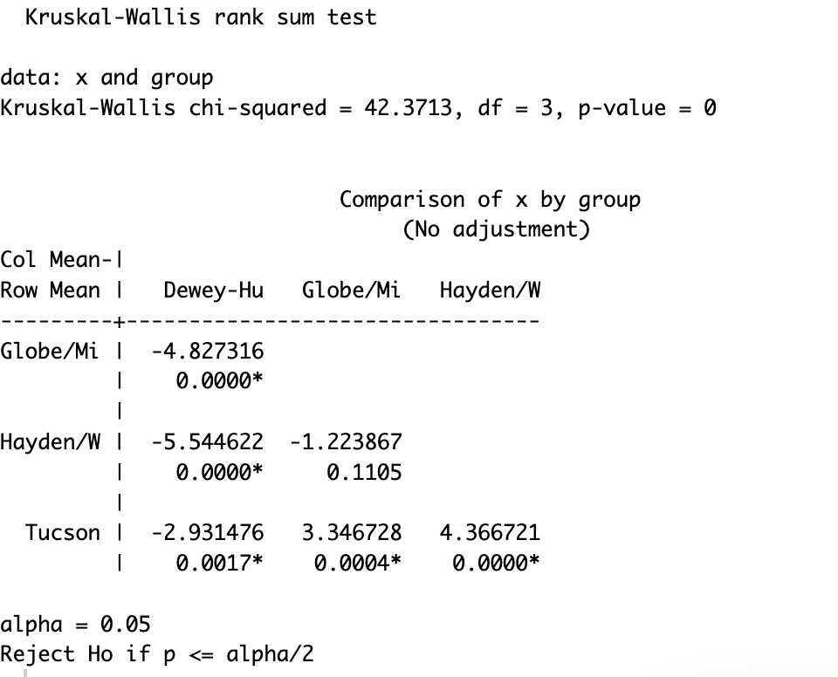
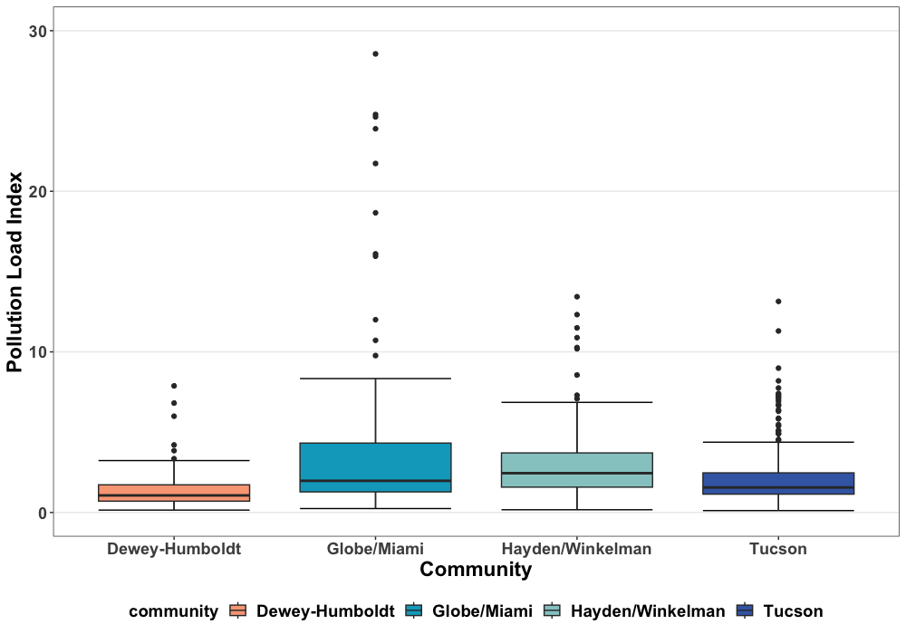
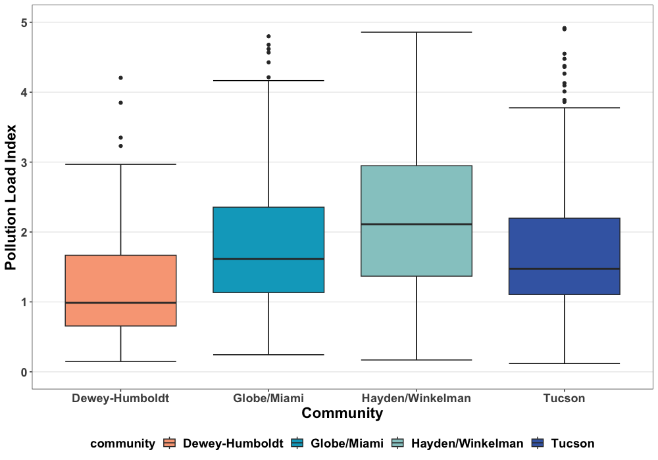
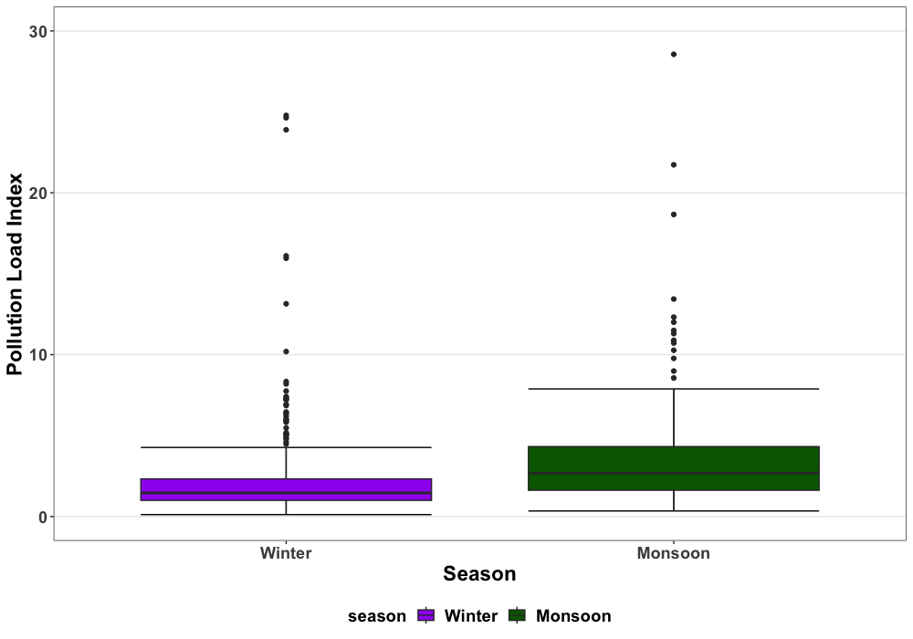
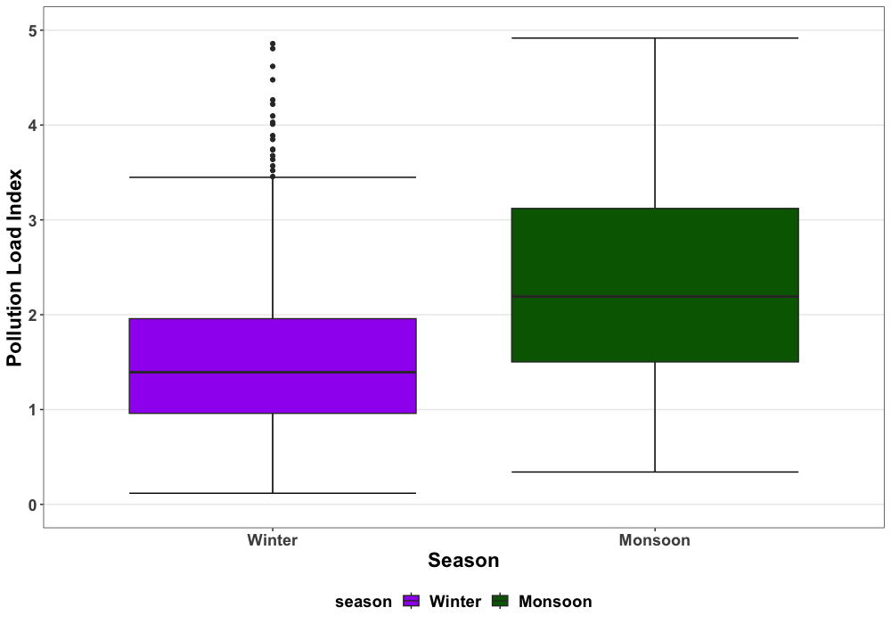
Community | Mean (sd) | Median (min, max) | Geomean (geosd)
Dewey-Humboldt
Monsoon (N=19) | 2.46 (2.04) | 1.65 [0.511, 7.88] | 1.84 (2.18)
Winter ((N=34)) | 1.23 (1.14) | 0.893 [0.148, 5.99] | 0.925 (2.11)
Globe/Miami
Winter (N=79) | 3.20 (5.06) | 1.54 [0.244, 24.8] | 1.82 (2.51)
Monsoon (N=44) | 5.37 (5.56) | 3.65 [0.369, 28.6] | 3.77 (2.29)
Hayden/Winkelman
Winter (N=64) | 2.51 (1.80) | 2.32 [0.169, 10.2] | 1.94 (2.22)
Monsoon (N=24) | 7.14 (9.46) | 4.23 [1.13, 47.8] | 4.54 (2.48)
Tucson
Winter (N=220) | 1.85 (1.59) | 1.40 [0.118, 13.1] | 1.45 (1.98)
Monsoon (N=87) | 2.76 (1.89) | 2.33 [0.341, 11.3] | 2.29 (1.83)
Overall
Winter (N= 397) | 2.17 (2.73) | 1.46 [0.118, 24.8] | 1.53 (2.18)
Monsoon (N=174) | 3.99 (4.97) | 2.69 [0.341, 47.8] | 2.79 (2.20)

cfactor
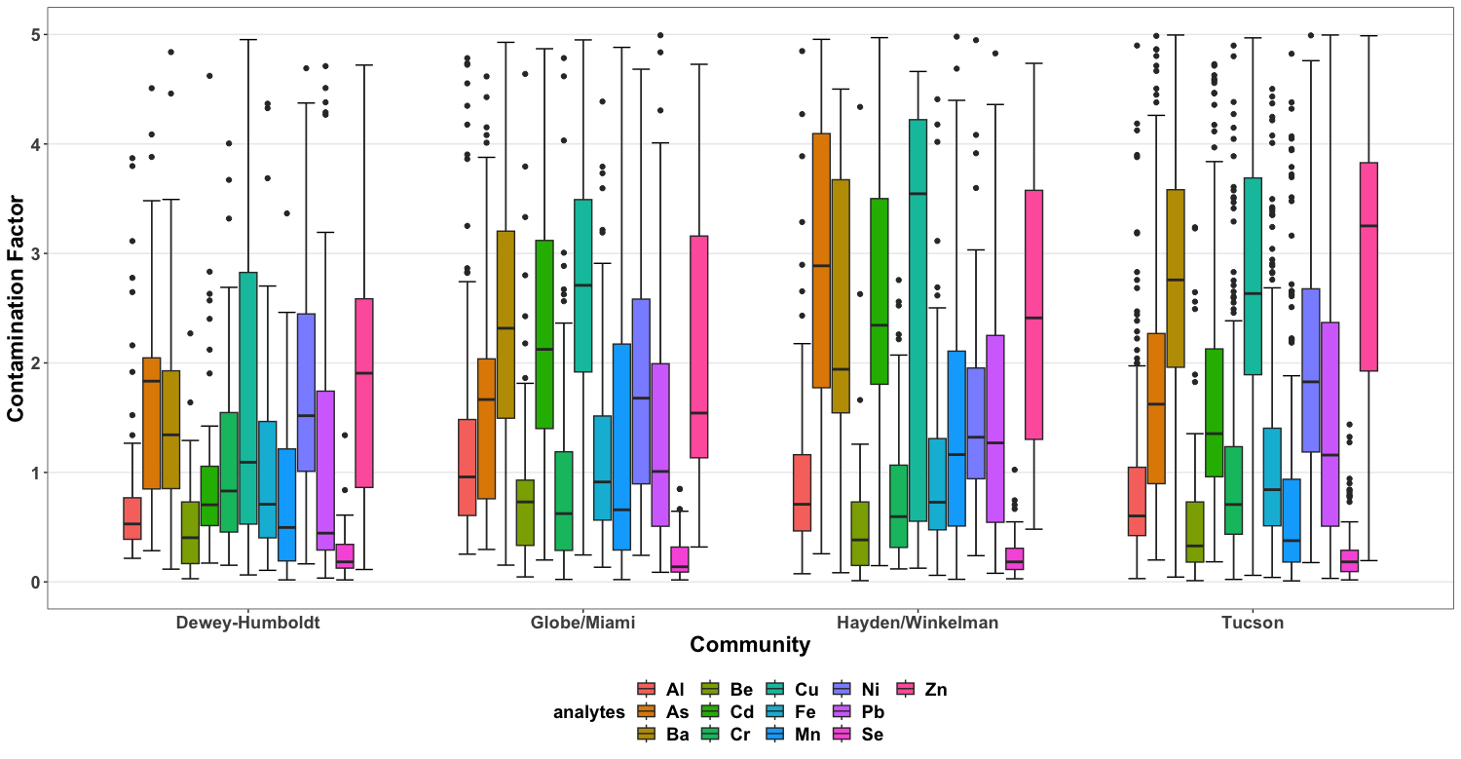
 | Dewey-Humboldt (N=53) | Globe/Miami (N=123) | Hayden/Winkelman (N=88) | Tucson (N=307)
Al
Mean (sd) | 1.23 (2.07) | 4.98 (15.3) | 1.45 (2.18) | 1.04 (1.51)
Median (Min, Max) | 0.531 [0.215, 12.4] | 1.03 [0.253, 102] | 0.761 [0.0745, 14.6] | 0.619 [0.0302, 18.4]
Gmean (gsd) | 0.706 (2.43) | 1.39 (3.37) | 0.860 (2.51) | 0.706 (2.17)
As
Mean (sd) | 3.17 (4.87) | 2.04 (1.81) | 12.6 (26.3) | 2.48 (3.00)
Median (Min, Max) | 1.83 [0.285, 26.1] | 1.70 [0.296, 13.7] | 4.94 [0.257, 223] | 1.78 [0.200, 25.4]
Gmean (gsd) | 1.89 (2.56) | 1.54 (2.13) | 5.79 (3.20) | 1.72 (2.21)
Ba
Mean (sd) | 3.24 (4.55) | 5.93 (6.44) | 11.5 (14.7) | 5.46 (5.10)
Median (Min, Max) | 1.64 [0.117, 28.3] | 4.29 [0.153, 51.1] | 6.72 [0.0838, 75.8] | 3.83 [0.0442, 32.0]
Gmean (gsd) | 1.79 (2.97) | 3.91 (2.58) | 5.93 (3.61) | 3.77 (2.64)
Be
Mean (sd) | 0.565 (0.489) | 1.95 (4.89) | 0.836 (2.73) | 0.511 (0.677)
Median (Min, Max) | 0.404 [0.0292, 2.27] | 0.730 [0.0456, 30.8] | 0.386 [0.0115, 25.6] | 0.329 [0.0115, 9.33]
Gmean (gsd) | 0.354 (2.96) | 0.741 (3.15) | 0.358 (3.23) | 0.322 (2.78)
Cd
Mean (sd) | 2.06 (5.53) | 23.9 (60.1) | 15.3 (22.5) | 2.17 (2.14)
Median (Min, Max) | 0.754 [0.172, 39.0] | 3.38 [0.200, 329] | 6.62 [0.149, 131] | 1.50 [0.184, 18.6]
Gmean (gsd) | 0.873 (2.85) | 5.04 (4.58) | 6.85 (3.80) | 1.58 (2.18)
Cr
Mean (sd) | 4.88 (24.4) | 1.53 (2.86) | 5.56 (37.9) | 2.32 (8.89)
Median (Min, Max) | 0.850 [0.152, 179] | 0.635 [0.0229, 22.0] | 0.688 [0.119, 356] | 0.716 [0.0229, 109]
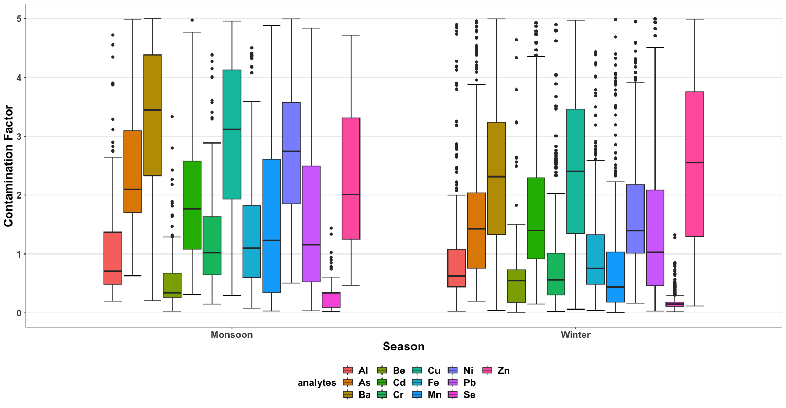
Gmean (gsd) | 0.991 (3.41) | 0.688 (3.43) | 0.793 (3.39) | 0.803 (3.05)
Cu
Mean (sd) | 4.00 (6.35) | 26.3 (80.7) | 40.6 (97.0) | 10.2 (21.2)
Median (Min, Max) | 1.99 [0.0637, 35.5] | 6.44 [0.246, 732] | 17.5 [0.125, 846] | 4.76 [0.0599, 242]
Gmean (gsd) | 1.76 (3.88) | 8.04 (3.81) | 15.0 (4.42) | 4.99 (3.16)
Fe
Mean (sd) | 1.80 (2.38) | 1.91 (4.22) | 1.61 (2.24) | 1.93 (3.79)
Median (Min, Max) | 0.887 [0.106, 11.0] | 0.920 [0.134, 38.5] | 0.803 [0.0601, 13.2] | 0.873 [0.0409, 39.4]
Gmean (gsd) | 0.960 (3.05) | 1.00 (2.64) | 0.884 (2.92) | 0.982 (2.82)
Mn
Mean (sd) | 2.89 (7.58) | 7.02 (13.6) | 2.37 (4.41) | 2.58 (6.49)
Median (Min, Max) | 0.575 [0.0185, 44.4] | 1.56 [0.0211, 86.8] | 1.22 [0.0238, 35.2] | 0.481 [0.00948, 66.8]
Gmean (gsd) | 0.605 (5.48) | 1.69 (6.11) | 1.03 (4.00) | 0.628 (4.96)
Ni
Mean (sd) | 7.17 (23.7) | 24.9 (134) | 2.24 (2.26) | 3.90 (5.63)
Median (Min, Max) | 2.00 [0.165, 172] | 2.20 [0.243, 1340] | 1.40 [0.240, 12.9] | 2.24 [0.176, 50.1]
Gmean (gsd) | 2.46 (3.32) | 3.27 (4.42) | 1.61 (2.16) | 2.41 (2.45)
Pb
Mean (sd) | 1.76 (2.24) | 4.37 (8.95) | 7.21 (13.2) | 10.5 (63.1)
Median (Min, Max) | 0.522 [0.0352, 9.24] | 1.47 [0.0878, 67.2] | 1.91 [0.0787, 58.4] | 1.54 [0.0321, 865]
Gmean (gsd) | 0.792 (3.79) | 1.63 (3.75) | 2.34 (4.37) | 1.84 (4.40)
Se
Mean (sd) | 0.244 (0.225) | 0.211 (0.181) | 0.230 (0.181) | 0.220 (0.203)
Median (Min, Max) | 0.183 [0.0183, 1.34] | 0.138 [0.0183, 0.849] | 0.183 [0.0286, 1.02] | 0.183 [0.0183, 1.44]
Gmean (gsd) | 0.173 (2.40) | 0.148 (2.42) | 0.177 (2.10) | 0.153 (2.43)
Zn
Mean (sd) | 16.5 (42.3) | 26.2 (51.7) | 21.4 (74.6) | 40.8 (126)
Median (Min, Max) | 2.87 [0.113, 294] | 9.05 [0.319, 337] | 4.53 [0.482, 683] | 8.52 [0.194, 1070]
Gmean (gsd) | 4.20 (4.93) | 8.39 (4.74) | 5.63 (4.34) | 9.78 (4.22)

